3. Determining Cookie Freshness
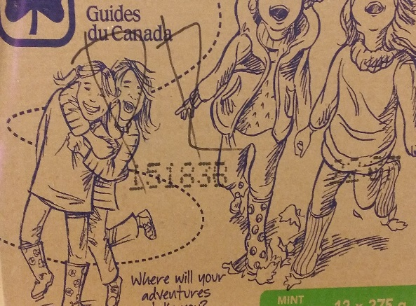
Determining your cookie "freshness guarantee" date

Chocolatey Mint Cookies have a 8 month shelf life; Classic Cookies have an 8 month shelf life

Step 1: Locate the date code found on the outside of the cookie case (stamped over the illustrations or on the cookie box (code will be imprinted on box tab) - example 15183B

Step 2: Decipher code: The first number refers to the year the product was made. The following three numbers refer to the specific day within the year and the letter at the end refers to the shift during which the product was produced. Using the example 15183B this code indicates cookies were produced in 2015 (15), on the 183rd day of the year (183), on shift B

Step 3: Enter code in spreadsheet below to auto calcualate the "fresheness guarantee" date of your cookies. Please make sure that for Fall Chocolatey Mint Cookies you are entering the code in the green shaded areas and for Spring Classic Cookies you are entering the code in the blue shaded areas.

 | Cookie Code Year | Cookie Code Day | Month Made | Day Made | No Sell Month | No Sell Date
Example - Enter your coded numbers in shaded columns | 15 | 183 | 7 | 1 | 2 | 26

Enter Spring codes in blue shaded columns |  |  | 1 | 0 | 8 | 27

Enter Fall codes in green shaded columns |  |  | 1 | 0 | 8 | 27

Step 4: If your cookies are passed their "freshness guarantee" date, these can no longer be sold. Cookies remaining can however be used for internal Guiding Events or can be donated to a local food bank or homeless shelter. If you are donating these cookies please ensure that they are either removed from their box so that only the sleeve of cookies is donated or place a label on each cookie box stating the following "Donation from Girl Guides of Canada, Ontario Council - Not for Resale"

