Non Travel Claim Form

107- 252 Esplanade W
North Vancouver, BC V7M 0E9
 |  | Non-Travel Claim Form |  |  |  |  | Members are encouraged to use their Pcards to pay for GGC expenses.
 |  |  | (See reverse for instructions)

This form plus all itemized receipts must reach the Provincial Office within 60 days from the end of the event or meeting

Event Name : |  | Event Location : |  |  |  | Event date:
Name : |  | E-mail : |  |  |  | iMIS #:
Telephone : |  | Address :
City/Town :

Date | Itemize |  |  | Total | - GST | = Cost | Committee | Event

 |  |  |  |  |  | 0.00
 |  |  |  |  |  | 0.00
 |  |  |  |  |  | 0.00
 |  |  |  |  |  | 0.00
 |  |  |  |  |  | 0.00
 |  |  |  |  |  | 0.00
 |  |  |  |  |  | 0.00
 |  |  |  |  |  | 0.00
 |  |  |  |  |  | 0.00
 |  |  |  |  |  | 0.00
Attach original itemized receipts |  |  | Subtotal | 0.00 | 0.00 | 0.00
Credit card receipts are not considered itemized receipts. |  |  | Less Advance |  |  | 0.00
 |  |  | Total | 0.00 | 0.00 | 0.00 | 0 | 0

Cheque details/Direct deposit
For cheque reimbursement: |  |  | For direct deposit:
Cheque payable to: ____________________ |  |  | Branch #: _____________
 |  |  | Transit #: ____________
 |  |  | Account #: _______________

Event Non-Travel Claim Form

Reimbursement

Reimbursement is given for authorized expenses that are personally incurred in the conduct of business for the Girl Guides of Canada, BC Council.
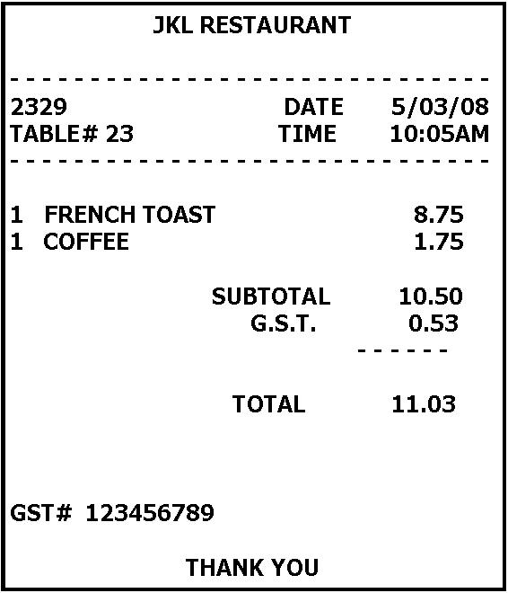
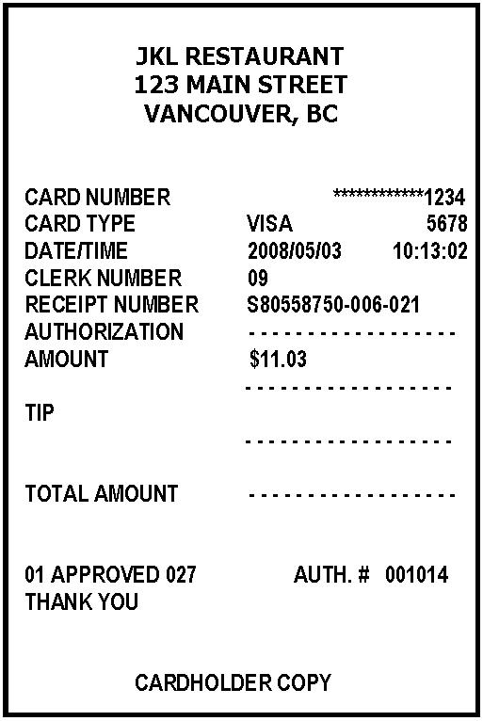
To be reimbursed

1. Complete the Event Non-Travel Claim Form.

2. Credit card receipts are not considered itemized receipts and will not be reimbursed.

Please note: This claim form must be signed & received at the provincial office within
60 days from the date of the expense to receive reimbursement.

 |  |  |  |  | Itemized receipt |  | Credit card receipt

Expenses Other Than Travel

* Event Expenses
Out-of-pocket expenses for budget items will be reimbursed. This includes event costs such as program supplies, and administrative expenses such as postage
and telephone. Please itemize on form.

* All Non-Travel Claim Forms must be approved before reimbursement is issued.

Volunteers wishing to donate all or part of their expense reimbursement as a tax-deductible donation may do so by writing a personal cheque to the Girl Guides
of Canada, BC Council. An official income tax receipt will be issued for donations over $10.

PLEASE NOTE: If the claim form is received 60 days or later after the date of the expenses, the claim will NOT be reimbursed.

Thank you for using our resources wisely!

Adult Travel Claim form
Travel Claim Form
Instruction Sheet for Expense Submissions
Please do take into consideration that by carpooling or using the most cost efficient forms of transportation we can live by one of our Guiding Laws and "use our resources wisely" thus minimizing costs. By minimizing some of our costs, this allows BC Girl Guides to offer more exciting events.
Important Read first |  | · Read all of the instructions provided. This form has been customized for travel for meetings and for events for which no other claim forms have been provided. No other forms apply or will be processed.
 |  | · Processing of this form will be completed only if all instructions have been adhered to.
 |  | · Payment is provided for authorized expenses for Guiding members that are personally incurred in the conduct of business for the Girl Guides of Canada, BC Council.
 |  | · To be reimbursed, itemized receipts must be attached to this form. No other forms apply or will be processed.
 |  | · Credit card & debit card receipts that do not have a description of the expense(s) are not considered itemized receipts and will not be reimbursed.
 |  | · Recipients receiving travel reimbursements are expected to attend the entire event/meeting.
 |  | · People wishing to donate their travel assistance reimbursement funds to BC Council as a tax-deductible donation may do so by writing a personal cheque to Girl Guides of Canada, BC Council. An official income tax receipt will be issued for donations over $10.

Step 1 |  | Fill out your name and address information
Step 2 |  | If you are traveling with other participants from your area please include their names here for:
 |  | a. Meals b. Meals & Mileage
Step 3 |  | Check only the expense(s) that apply to your travel. This claim form must be signed & received at the provincial office within 45 days from the date of the expense to receive reimbursement.
 |  | a. Meals:
 |  | · If travel is required over a meal hour, providing that refreshments have not/will not be covered during the event/meeting, reasonable food expenditures may be approved, within BC travel policy.
This event has been funded with cookie money.
 |  | · Alcohol will not be reimbursed.
 |  | · Reimbursements for meals while traveling to and from the event may be submitted at the following rates:
 |  | Actual cost of meal up to a maximum rate of:
 |  | * $25 for breakfast
 |  | * $25 for lunch
 |  | * $35 for dinner
 |  | Including GST and gratuity up to a maximum of 15%.
 |  | b. Mileage will be reimbursed at a maximum of 0.68 kilometre from home location(s) to event venue
 |  | c. Rental vehicle/special vehicle – only on prior written approval (please submit a request to the event coordinator)
 |  | d. Taxicab – if applicable; receipts are required
 |  | e. Public transit current rates – reimbursement is based on one-way fares
 |  | f. Pacific Coach Lines (PCL) or long haul bus or charter equivalent – current fare rates
 |  | g. Airport Parking (from home to nearest airport)
 |  | h. Airfare (including checked bags) – economy – GGC will not pay for flight changes/upgrades/insurance/seat selection costs.
 |  | i. Ferry – walk-on fare – current BC Ferries rates
 |  | j. Ferry – vehicle reimbursement – current BC Ferries rates (vehicle not to exceed 7' high, up to 20' long)
Step 4 |  | Total expenses incurred while traveling for Guiding business – attach all itemized receipts
Step 5 |  | Cheque/direct deposit details a) payable to b) Signature that you’ve read and understood the terms of the travel policy c) Date (date form completed on). Please note: allow 4 – 6 weeks for the completed travel claim form to be processed. Delays may occur if forms are incomplete.(ie.Details or receipt missing).

107- 252 Esplanade W
North Vancouver, BC V7M 0E9
 |  |  |  | Adult Travel Claim |  |  | Members are encouraged to use their Pcards to pay for GGC expenses.
 |  |  |  | (See reverse for instructions)

This form plus all itemized receipts must reach the Provincial Office within 60 days from the end of the event or meeting

Step 1
Event Name : |  |  | Event Location : |  |  |  | Event date:
Name : |  |  | E-mail : |  |  |  | iMIS #:
Telephone : |  |  | Address :
City/Town :

Step 2 |  |  |  | Names of participants traveling in same vehicle (mileage) :
Names of participants included in this claim (meals ) :

Step 3 | Travel Expenses |  |  | Details of Expense | Total | - GST | = Cost | Committee | Event
 | (see instruction sheet for details)
Meals while traveling: |  |  |  |  |  |  | 0
 |  | @ 0.68 kilometre = | 0 |  | 0 |  | 0
 | (Canada Line, bus, etc) |  |  |  |  |  | 0
 |  |  |  |  |  |  | 0
 |  |  |  |  |  |  | 0
 |  |  |  |  |  |  | 0
 |  |  |  |  |  |  | 0
 |  |  |  |  |  |  | 0
 | (vehicle not to exceed 20' long) |  |  |  |  |  | 0
 | (attach note if more space is needed) |  |  |  |  |  | 0
Step 4 (attach itemized receipts) |  |  |  | Total | 0.00 | 0.00 | 0.00

Step 5 | Cheque details/Direct deposit
For cheque reimbursement: |  |  |  | For direct deposit:
Cheque payable to: ____________________ |  |  |  | Branch #: _____________
 |  |  |  | Transit #: ____________
 |  |  |  | Account #: _____________________

